Sheet1
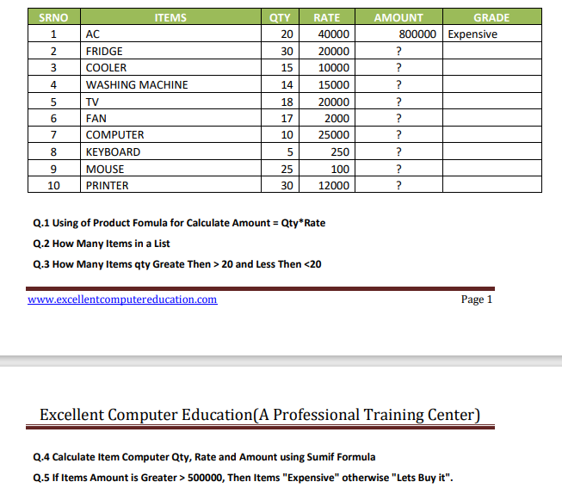
SRNO | ITEMS | QTY | RATE | AMOUNT | GRADE
1 | AC | 20 | 40000 | 800000 | Expensive
2 | FRIDGE | 30 | 20000 | 600000 | Expensive
3 | COOLER | 15 | 10000 | 150000 | Let it buy
4 | COMPUTER | 14 | 15000 | 210000 | Let it buy
5 | TV | 18 | 20000 | 360000 | Let it buy
6 | FAN | 17 | 2000 | 34000 | Let it buy
7 | COMPUTER | 10 | 25000 | 250000 | Let it buy
8 | KEYBOARD | 5 | 250 | 1250 | Let it buy
9 | MOUSE | 25 | 100 | 2500 | Let it buy
10 | PRINTER | 30 | 12000 | 360000 | Let it buy
 | 10

Q3 | 3
less than 20 | 6

 |  |  | 24
 |  |  | 40000
 |  |  | 460000

 |  |  |  | fgfjkh

Sheet4
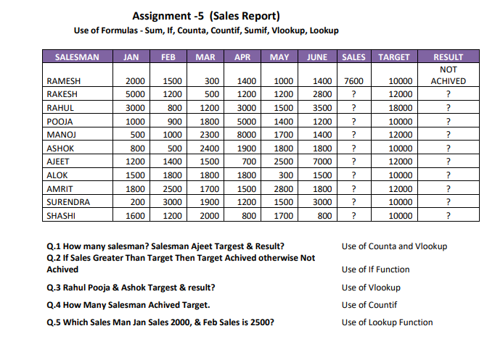
SALESMAN | JAN | FEB | MAR | APR | MAY | JUNE | SALES | TARGET | RESULT
RAMESH | 2000 | 1500 | 300 | 1400 | 1000 | 1400 | 7600 | 10000 | NOT ACHIVED
RAKESH | 5000 | 1200 | 500 | 1200 | 1200 | 2800 | 11900 | 12000 | NOT ACHIVED
RAHUL | 3000 | 800 | 1200 | 3000 | 1500 | 3500 | 13000 | 18000 | NOT ACHIVED
POOJA | 1000 | 900 | 1800 | 5000 | 1400 | 1200 | 11300 | 10000 | ACHIVED
MANOJ | 500 | 1000 | 2300 | 8000 | 1700 | 1400 | 14900 | 12000 | ACHIVED
ASHOK | 800 | 500 | 2400 | 1900 | 1800 | 1800 | 9200 | 10000 | NOT ACHIVED
AJEET | 1200 | 1400 | 1500 | 700 | 2500 | 7000 | 14300 | 12000 | ACHIVED
ALOK | 1500 | 1800 | 1800 | 1800 | 300 | 1500 | 8700 | 10000 | NOT ACHIVED
AMRIT | 1800 | 2500 | 1700 | 1500 | 2800 | 1800 | 12100 | 12000 | ACHIVED
SURENDRA | 200 | 3000 | 1900 | 1200 | 1500 | 3000 | 10800 | 10000 | ACHIVED
SHASHI | 1600 | 1200 | 2000 | 800 | 1700 | 800 | 8100 | 10000 | NOT ACHIVED

11
 | TARGET | RESULT |  | TARGET | RESULT |  | 5
AJEET | 12000 | ACHIVED | RAHUL | 18000 | NOT ACHIVED
 |  |  | POOJA | 10000 | ACHIVED
 |  |  | ASHOK | 10000 | NOT ACHIVED |  | 1200 | RAHUL

 | POOJA | 1000 | 900 | 1800 | 5000 | 1400 | 1200 | 11300 | 10000 | ACHIVED

 |  |  |  | 2500
 |  | RAMESH | AMRIT

Sheet5
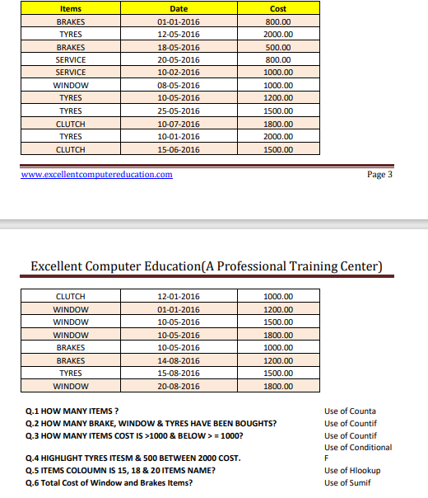
Items | Date | Cost
BRAKES | 2016-01-01 | 800 | 12 | 7
TYRES | 2016-05-12 | 2000
BRAKES | 2016-05-18 | 500
SERVICE | 2016-05-20 | 800
SERVICE | 2016-02-10 | 1000
WINDOW | 2016-05-08 | 1000
TYRES | 2016-05-10 | 1200
TYRES | 2016-05-25 | 1500
CLUTH | 2016-07-10 | 1800
TYRES | 2016-01-10 | 2000
CLUTH | 2016-06-15 | 1500
CLUTH | 2016-01-12 | 1000
WINDOW | 2016-01-01 | 1200
WINDOW | 2016-05-10 | 1500
WINDOW | 2016-05-10 | 1800
BRAKES | 2016-05-10 | 1000
BRAKES | 2016-08-14 | 1200
TYRES | 2016-08-15 | 1500
WINDOW | 2016-08-20 | 1800
19
BRAKE | 4
WINDOW | 5
TYRES | 5

Q3. |  | 7300
 |  | 3500

Sheet6
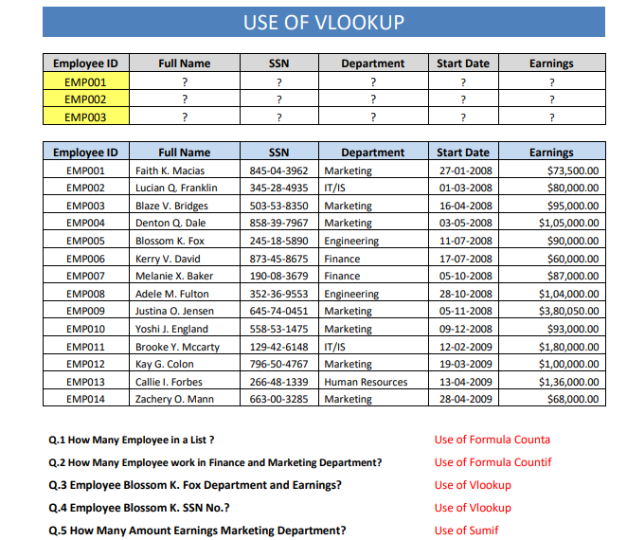
Employee ID | Full Name | SSN | Department | Start Date | Earnings
EMP001 | Faith k. Macias | 845-04-3962 | Marketing | 2008-01-27 | 73500
EMP002 | Lucian Q. Franklin | 345-28-4935 | IT/IS | 2008-03-01 | 80000
EMP003 | Blaze V Bridges | 503-53-8350 | Marketing | 2008-04-16 | 80000
EMP004 | Dentom Q. Dale | 858-39-7967 | Marketing | 2008-05-03 | 95000
EMP005 | Blossom K Fox | 245-18-5890 | Engineering | 2008-07-11 | 105000
EMP006 | Kerry V. David | 873-45-8675 | Finance | 2008-07-17 | 90000
EMP007 | Melanie X Baker | 190-08-3679 | Finance | 2008-10-05 | 60000
EMP008 |  | 352-36-9553 | Engineering | 2008-10-28 | 87000
EMP009 | Justina O Jensen | 645-74-0451 | Marketing | 2008-11-05 | 104000
EMP010 | Yoshi J. England | 558-53-1475 | Marketing | 2009-12-16 | 380050
EMP011 | Brooke Y. Mccarty | 129-42-6148 | IT/IS | 2009-02-12 | 93000
EMP012 | Kay G. Colon | 796-50-4767 | Marketing | 2009-03-19 | 100000
EMP013 | Callie I Forbes | 266-48-1339 | Human Resources | 2009-04-13 | 136000
EMP014 | Zachery O Mann | 663-00-3285 | Marketing | 2009-04-28 | 68000

 | 14
 | finance | maketing
employee | 2 | 7

EMP001 | Faith k. Macias | 845-04-3962 | Marketing | 39474 | 73500
 | Blossom K Fox | Engineering | 105000 | 245-18-5890

 | 900550
EMP002 | Lucian Q. Franklin | 345-28-4935 | IT/IS | 39508 | 80000
EMP003 | Blaze V Bridges | 503-53-8350 | Marketing | 39554 | 80000

